Sheet1
UNITED FASHIONS of TEXAS

 |  |  |  | PT# PT 1751518-1751518
 |  |  |  | PO# : 105499

PICK TICKET CHECK LIST

ROUTING:

TICKETING: |  | NO TICKETING NEEDED

PACKING INSTRUCTIONS: |  | Pack inner cartons by 6 and by 3, per attached work order
CUT PO

AE STYLE | AE COLOR | VENDOR STYLE NO. | UPC# | PICK_QTY
EHH396-42 | DBT | EHH396-42-DBT | 199347345070 | 120
EHH412-42 | OBM | EHH412-42-OBM | 199347349627 | 120
EHH477-42 | 362 | EHH477-42-362 | 199347347159 | 120
EHH481-42 | 0ML | EHH481-42-0ML | 199347347265 | 120

 |  | -

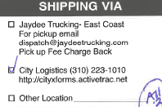

 |  |  | TOTAL | 480

